Table function
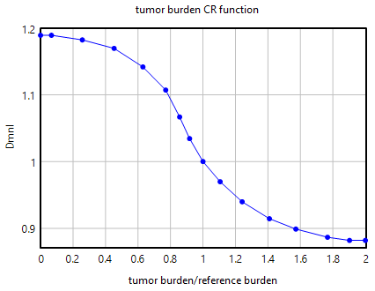
 | [(0.87206,0.882)-(2,1.19938)],(0,1.189),(0.06679,1.18906),(0.256881,1.18208),(0.452599,1.16938),(0.629969,1.14168),(0.770642,1.10706),(0.856269,1.06666),(0.917431,1.03435),(1,1),(1.10569,0.969849),(1.24119,0.939822),(1.40921,0.914536),(1.57182,0.899024),(1.76694,0.886733),(1.90244,0.882),(2,0.882)

 | effect of tumor burden on CR probability = tumor burden CR function (Tumor burden before infusion/reference tumor burden at infusion)

For the relationship between tumor growth and response rate we have used an S-curve function similar to prior modeling studies.
Kirouac, D.C., Zmurchok, C., Deyati, A. et al. Deconvolution of clinical variance in CAR-T cell pharmacology and response. Nat Biotechnol 41, 1606–1617 (2023). https://doi.org/10.1038/s41587-023-01687-x

Then the function is used to calculate the probability of complete response based on the patient's tumor burden burden at the time of infusion
implied probability at patient tumor burden = MIN(reference probability at reference tumor burden*effect of tumor burden on CR probability,1)

Complete response probailities for B Cell Acute Lymphoblastic Leukemia (B ALL) patients with tumor burden <5% was 100, between 5% and 20% was 95 and for greater than 20% was 84.1%
Wang XS, Srour SA, Whisenant M, et al. Patient-Reported Symptom and Functioning Status during the First 12 Months after Chimeric Antigen Receptor T Cell Therapy for Hematologic Malignancies. Transplant Cell Ther. 2021;27:930.e1-930.e10. doi: 10.1016/J.JTCT.2021.07.007

